Camp系
株式会社アミナコレクション様 キャンプ系インスタグラマーリスト
No. |  | 名前 | アカウント名 | フォロワー
1 |  | YURIE | yuriexx67 | 82,775 | https://www.instagram.com/yuriexx67/?utm_source=ig_embed&ig_rid=8a973f3e-0bbb-4dfb-9490-a62fe736edde
2 | 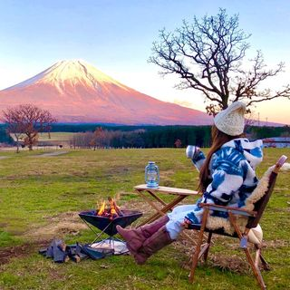 | marimari | marimari8208 | 61,836 | https://www.instagram.com/marimari8208/?utm_source=ig_embed&ig_rid=122ca728-8333-480f-b2a0-a809054266a3
3 | 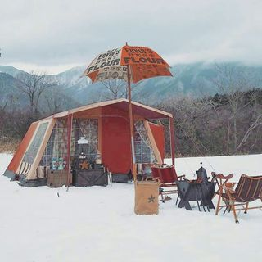 | akkun アックン | akkhstyle | 42,605 | https://www.instagram.com/akkhstyle/?utm_source=ig_embed&ig_rid=d5a069d5-9088-4cf4-9baf-6f378908c283
4 |  | マイキャン【キャンプ女子】 | my.camp.style | 42,502 | https://www.instagram.com/my.camp.style/
5 |  | さーやん【キャンプ】 | ___saaayan___ | 41,402 | https://www.instagram.com/___saaayan___/
6 |  | メスティンマニア | mestinmania | 40,401 | https://www.instagram.com/mestinmania/
7 |  | 森 風美(もりふうみ)キャンプ女子 | fu_u.m | 32,135 | https://www.instagram.com/fu_u.m/
8 | 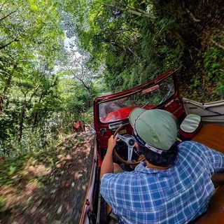 | jawscj7 | jawscj7 | 32,118 | https://www.instagram.com/jawscj7/?utm_source=ig_embed&ig_rid=c0ce1ff3-c78f-484d-9078-fac24139ed62
9 | 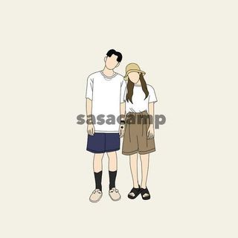 | sasacamp | sasacamp_0530 | 28,388 | https://www.instagram.com/sasacamp_0530/
10 |  | びあ・ぷりーず | toriaezu_beerplease | 28,295 | https://www.instagram.com/toriaezu_beerplease/
11 | 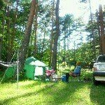 | KaoRin (Goto Kaori) | gotooutcamp | 21,405 | https://www.instagram.com/gotooutcamp/?utm_source=ig_embed&ig_rid=f69895fd-c3b7-43e7-8f8c-c5c7d7d74113
12 | 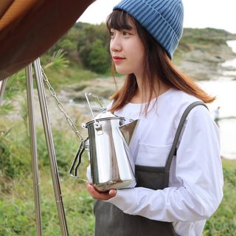 | rio / りおきゃんぷ | riocamp_o | 20,443 | https://www.instagram.com/riocamp_o/
13 |  | UKI CAMP＿（川本うき） | uki_ki_ | 18,899 | https://www.instagram.com/uki_ki_/
14 |  | neru | neru0414 | 17,681 | https://www.instagram.com/neru0414/?utm_source=ig_embed&ig_rid=465765f8-7e89-45de-abdc-dfeef47bea5a
15 |  | ヨツトシ | somabito_yotsutoshi | 15,872 | https://www.instagram.com/somabito_yotsutoshi/?utm_source=ig_embed&ig_rid=1d46b213-2a5c-4bff-a266-e1c3a1ec60e0
16 |  | miyu | m1yucamp | 14,392 | https://www.instagram.com/m1yucamp/
17 |  | pekocamp | pekocamp | 12,491 | https://www.instagram.com/pekocamp/
18 |  | SHU→TA | shuta75 | 12,386 | https://www.instagram.com/shuta75/?utm_source=ig_embed&ig_rid=e986524f-f6c1-4009-b85f-17a648607f95
19 |  | Sae - 絶景求めてキャンプと旅 - | _saecam_ | 11,259 | https://www.instagram.com/_saecam_/
20 |  | Rumi | hanauta63 | 8,808 | https://www.instagram.com/hanauta63/
21 |  | みわ | miwa_outdoor | 7,526 | https://www.instagram.com/miwa_outdoor/
22 |  | GOTO | swarm_king | 7,439 | https://www.instagram.com/swarm_king/?utm_source=ig_embed&ig_rid=aac31e56-a697-4bee-b704-075d11a8b9af
23 |  | Ｍah☆ | mah_ofa | 6,588 | https://www.instagram.com/mah_ofa/?utm_source=ig_embed&ig_rid=fe6a6e23-7d31-4fcc-9115-9f5d00648b7e
24 |  | 彌生。 | yay.o84 | 6,115 | https://www.instagram.com/yay.o84/
25 |  | saori - むすことキャンプ - | sorsnd_camp | 4,040 | https://www.instagram.com/sorsnd_camp/
26 |  | radin | radin_outside | 3,869 | https://www.instagram.com/radin_outside/?utm_source=ig_embed&ig_rid=4d3622ff-c987-4d25-9792-202202a3076f
27 |  | 紺野ゆり | yuri_camp2020 | 3,024 | https://www.instagram.com/yuri_camp2020/
28 |  | OUT GORILLA | out_gorilla | 2,252 | https://www.instagram.com/out_gorilla/
29 |  | ジャンボ | jumbo_p696 | 2,172 | https://www.instagram.com/jumbo_p696/?utm_source=ig_embed&ig_rid=e5c9cc1c-cd95-4224-bdbe-c97d6dab5c49
30 |  | Noa | noa_morishita | 2,041 | https://www.instagram.com/noa_morishita/
31 |  | Hanahana | hanahana80 | 1,931 | https://www.instagram.com/hanahana80/?utm_source=ig_embed&ig_rid=fe61f2c1-401a-4b08-ae56-07538a1038b4
32 |  | taku | ogi_nature | 1,571 | https://www.instagram.com/ogi_nature/
33 |  | tamaki | tmk_camp_ | 1,181 | https://www.instagram.com/tmk_camp_/

